AssetManagement form
Background color: E4E0E0
Foreground: 000000
Font: Sans Serif
Size: 18
Background: FFFFFF
Width: 300

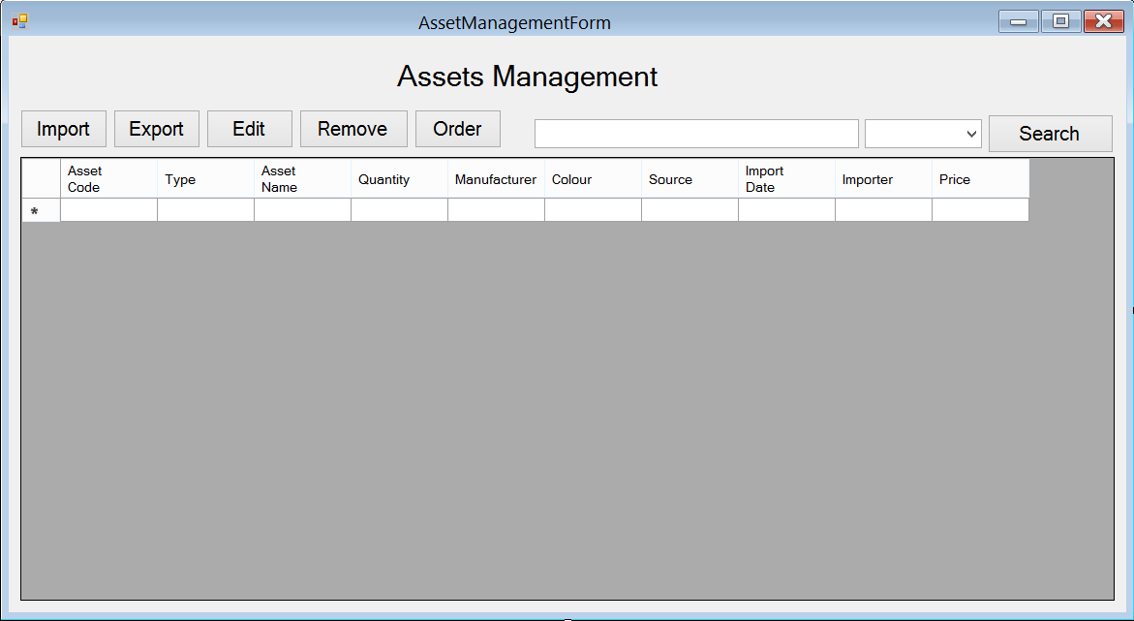
Background Color: E4E0E0
Background color: FFFFFF
Foreground: 000000
Font: Sans Serif
Size 12

Background Color: E4E0E0
Font: Sans Serif
Size 12

AssetManagement_Import form
Background color: E4E0E0
Foreground: 000000
Font: Sans Serif
Size: 12

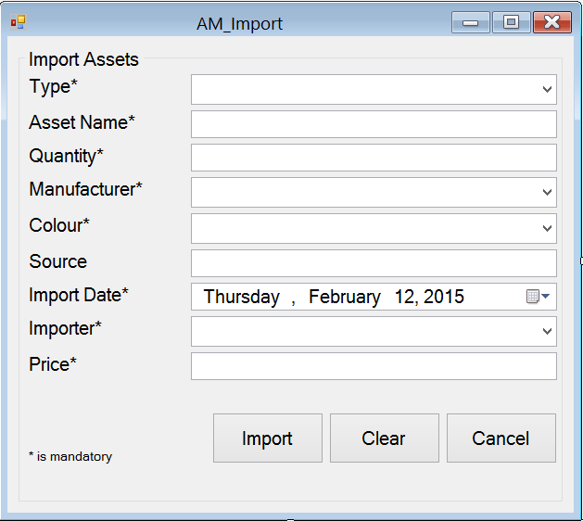
Background: FFFFFF
Width: 300

Background: FFFFFF
Width: 300

Background Color: E4E0E0

Background Color: E4E0E0
Font: Sans Serif
Size 12

AssetManagement_Export form
Background color: E4E0E0
Foreground: 000000
Font: Sans Serif
Size: 12
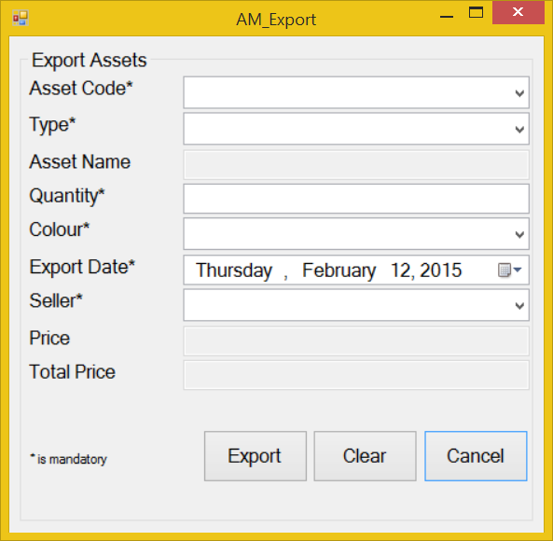

Background: FFFFFF
Width: 300

Background: FFFFFF
Width: 300

Background Color: E4E0E0

Background Color: E4E0E0
Font: Sans Serif
Size 12

AssetManagement_Edit form
Background color: E4E0E0
Foreground: 000000
Font: Sans Serif
Size: 12

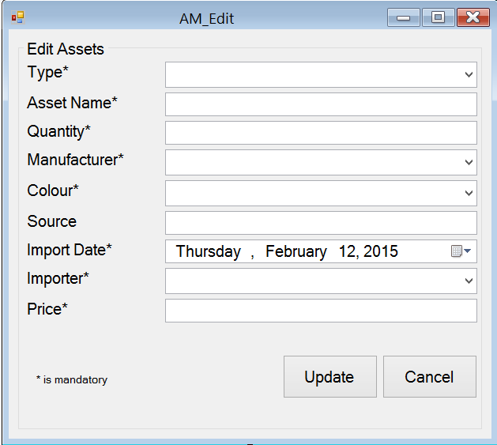
Background: FFFFFF
Width: 300

Background: FFFFFF
Width: 300

Background Color: E4E0E0

Background Color: E4E0E0
Font: Sans Serif
Size 12

AssetManagement_Order form
Background color: E4E0E0
Foreground: 000000
Font: Sans Serif
Size: 12

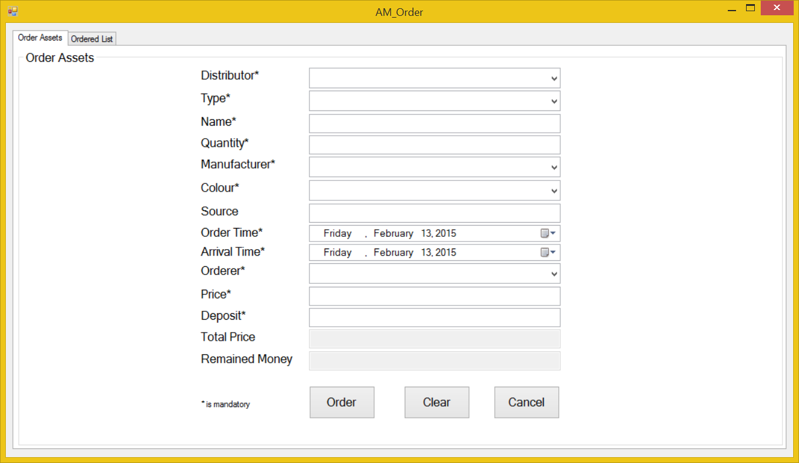
Background: FFFFFF
Width: 300

Background: FFFFFF
Width: 300

Background Color: FFFFFF

Background Color: E4E0E0
Font: Sans Serif
Size 12

